Premium - verðskrá
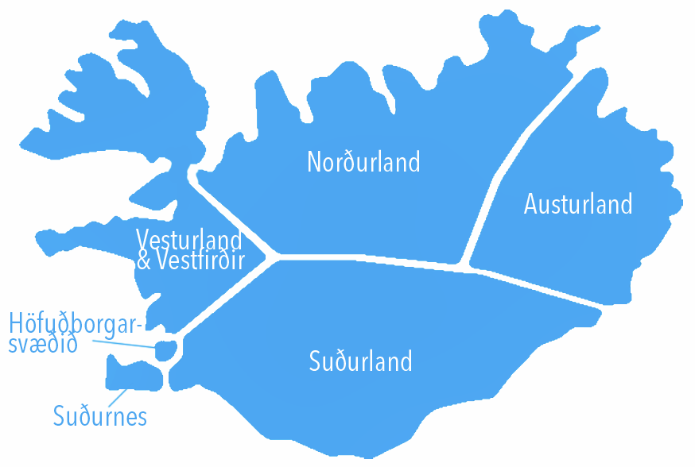
Sjónvarp Símans Premium og auglýsingar í tímaflakki

10 sekúndur | VOD birtingar | VOD + 50 TRP
Allt landið | 10,000 | 233,100 kr.

10 sekúndur | VOD birtingar | VOD + 25 TRP
Hbsv | 10,000 | 198,900 kr.

10 sekúndur | VOD birtingar | VOD
VeVe | 1,500 | 24,900 kr.
Nor | 1,500 | 24,900 kr.
Aus | 1,500 | 24,900 kr.
Suð | 1,500 | 24,900 kr.
Snes | 1,500 | 24,900 kr.

 | Þarf að bóka TRP með
Grunnur | Allt landið | RON | SNES | SUÐ | NOR | AUS | VEVE
Fjöldi VOD | 10,000 | 10,000 | 1,500 | 1,500 | 1,500 | 1,500 | 1,500
10 sek | 149,000 kr. | 166,000 kr. | 24,900 kr. | 24,900 kr. | 24,900 kr. | 24,900 kr. | 24,900 kr.
11 sek | 163,900 kr. | 182,600 kr. | 27,390 kr. | 27,390 kr. | 27,390 kr. | 27,390 kr. | 27,390 kr.
12 sek | 178,800 kr. | 199,200 kr. | 29,880 kr. | 29,880 kr. | 29,880 kr. | 29,880 kr. | 29,880 kr.
13 sek | 193,700 kr. | 215,800 kr. | 32,370 kr. | 32,370 kr. | 32,370 kr. | 32,370 kr. | 32,370 kr.
14 sek | 208,600 kr. | 232,400 kr. | 34,860 kr. | 34,860 kr. | 34,860 kr. | 34,860 kr. | 34,860 kr.
15 sek | 223,500 kr. | 249,000 kr. | 37,350 kr. | 37,350 kr. | 37,350 kr. | 37,350 kr. | 37,350 kr.
16 sek | 238,400 kr. | 265,600 kr. | 39,840 kr. | 39,840 kr. | 39,840 kr. | 39,840 kr. | 39,840 kr.
17 sek | 253,300 kr. | 282,200 kr. | 42,330 kr. | 42,330 kr. | 42,330 kr. | 42,330 kr. | 42,330 kr.
18 sek | 268,200 kr. | 298,800 kr. | 44,820 kr. | 44,820 kr. | 44,820 kr. | 44,820 kr. | 44,820 kr.
19 sek | 283,100 kr. | 315,400 kr. | 47,310 kr. | 47,310 kr. | 47,310 kr. | 47,310 kr. | 47,310 kr.
20 sek | 298,000 kr. | 332,000 kr. | 49,800 kr. | 49,800 kr. | 49,800 kr. | 49,800 kr. | 49,800 kr.

